4d. Profit 1st Calculator
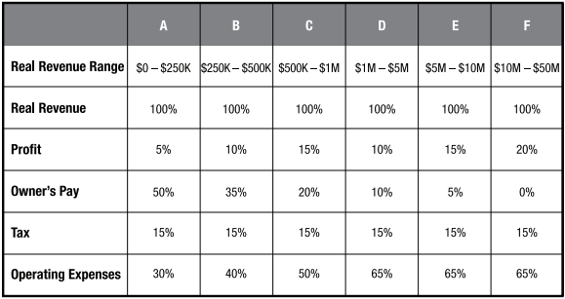
PROFIT FIRST MONTHLY ALLOCATIONS
 | TARGET ALLCATIONS |  | ACTUAL ALLOCATIONS
Monthly Projected Income | £6,000.00
Allocation Type | TAP | ACTUAL | TAP | ACTUAL
PROFIT | 5% | £300.00 | 1% | £60.00
OWNER'S PAY | 50% | £3,000.00 | 17% | £1,020.00
TAX | 15% | £900.00 | 24% | £1,410.00
OPEX | 30% | £1,800.00 | 58% | £3,480.00
TOTAL | 100% | £6,000 | 100% | £5,970

EXAMPLE ALLOCATIONS
REAL REVENUE
 | £50,000.00 |  | £250,000.00 |  | £500,000.00 |  | £1,000,000.00
 | TAP | AMOUNT | TAP | AMOUNT | TAP | AMOUNT | TAP | AMOUNT
PROFIT | 5% | £2,500.00 | 10% | £25,000.00 | 15% | £75,000.00 | 10% | £100,000.00
OWNER'S PAY | 50% | £25,000.00 | 35% | £87,500.00 | 20% | £100,000.00 | 10% | £100,000.00
TAX | 15% | £7,500.00 | 15% | £37,500.00 | 15% | £75,000.00 | 15% | £150,000.00
OPEX | 30% | £15,000.00 | 40% | £100,000.00 | 50% | £250,000.00 | 65% | £650,000.00
TOTAL | 100% | £50,000 | 100% | £250,000 | 100% | £500,000 | 100% | £1,000,000

